Images
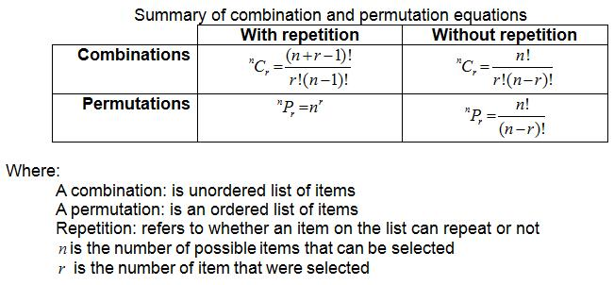
Beta - Regression with Matrices | Scikit Learn Algorithm Cheatsheet
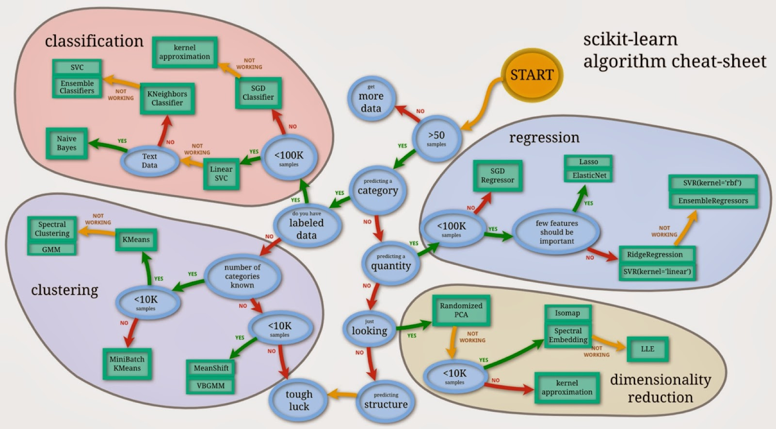

Regression Matrix
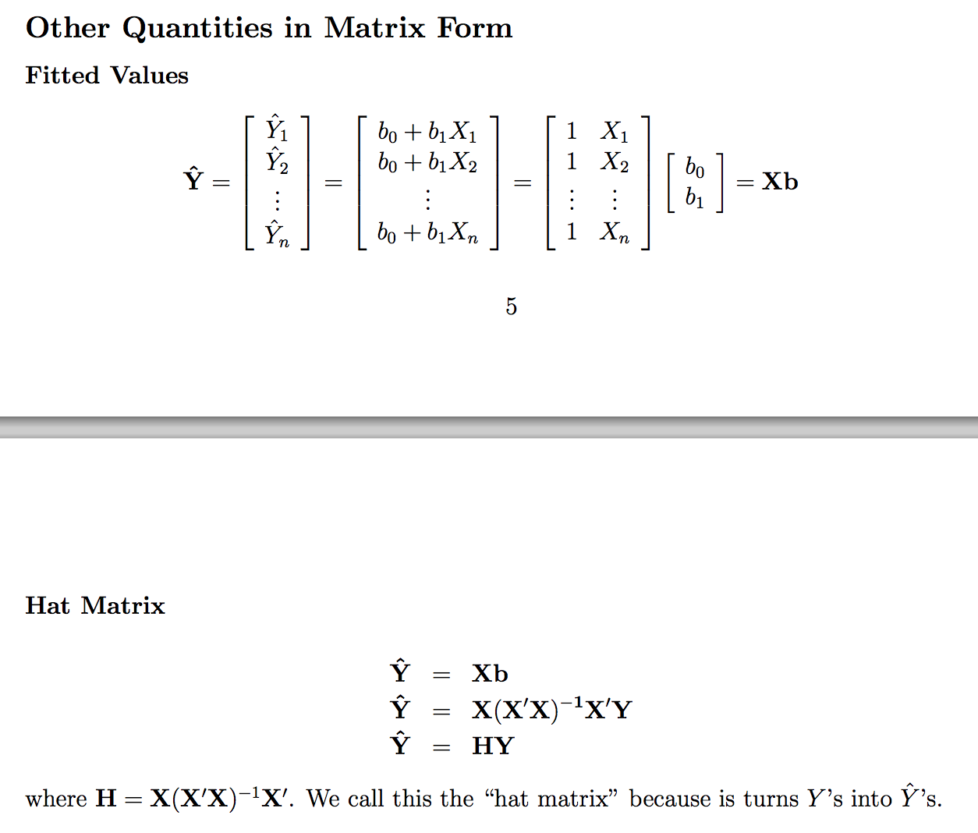

Combination & Permutation Summary

